Sheet1
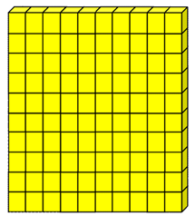
0 | 100
 | What is the missing number? |  |  |  | Press F9 for the random numbers to be generated
 | 100 | - | = | 70

